Sheet1
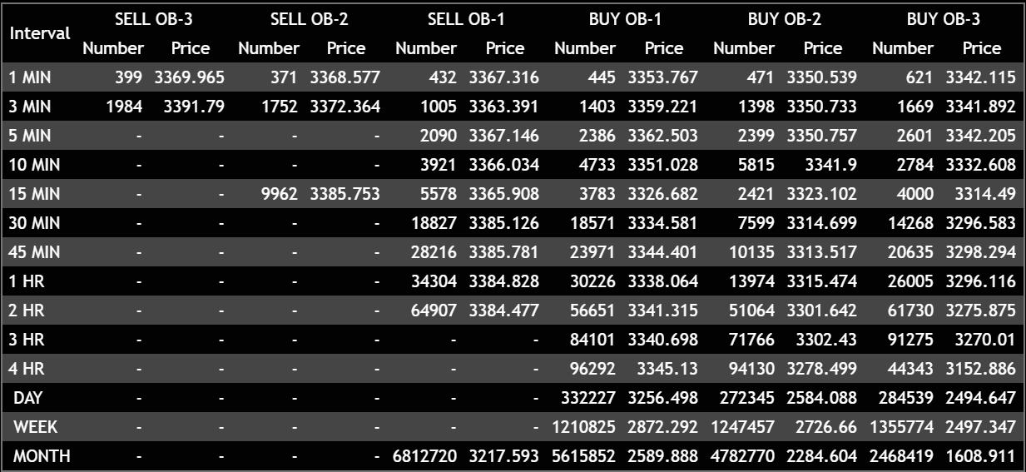
Date | 2024-07-17 | Symbol | AAPL | Zigzag++ Indicator | Pivot Points |  |  |  | MACD value at Pivot point | MACD Crossover Above/Below Histogram Time & Value
Time | 13:03:00 | Stock | Apple Inc | Time/Date stamp |  | Pivot Price | VWAP | EMA |  | Above | Value | Below | Value
 |  |  |  | 7/17/2024 | LL | 3360.555 | 3353.767 | 3367.767 |  | 7/17/2024 | 0.2841 | 7/17/2024 | -0.2195
 |  |  |  |  | HL | 3363.565 | 3353.556 | 3365.554

*Note:We may need to replace empty data cells to 0 or 0.0001 or something to enable easy calculation
*I need the top table block to keep refreshing data continously in the reserved cells and also need a record/log below or separate sheet as convenient
* how will data get handled of the data capaity of sheet is finished?
* How will sheets auto populate when a new symbol starts
* Name of sheet to be same as Symbol?

